DEWATA COCONUT (Coconut)
DATE | INV NO. | DESCRIPTIONS | QTY | PRICE | TOTAL | BILLS | Rp1,070,000
2026-04-02 | 14098 | COCONUT LOGO | 10 | IDR 12,000 | IDR 120,000 | 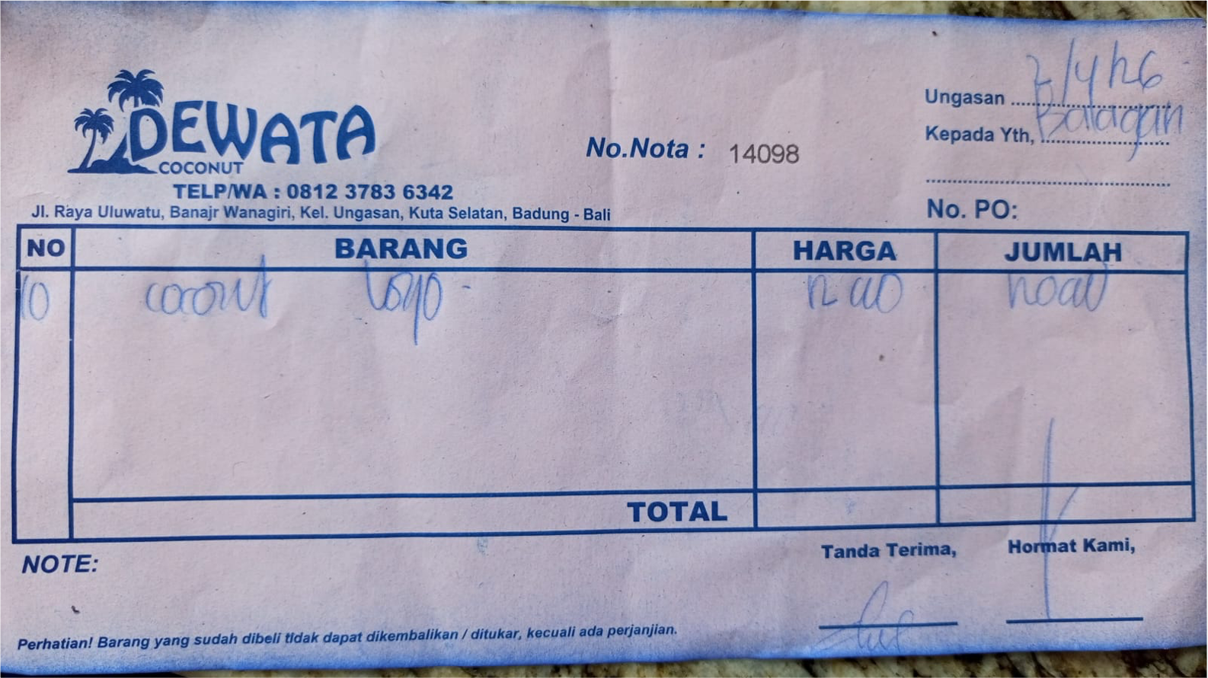
2026-04-04 | 14226 | COCONUT LOGO | 10 | IDR 12,000 | IDR 120,000 | 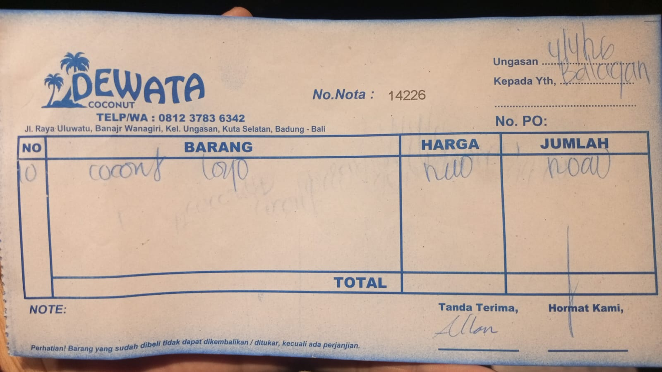
2026-04-06 | 14303 | COCONUT LOGO | 10 | IDR 12,000 | IDR 120,000 | 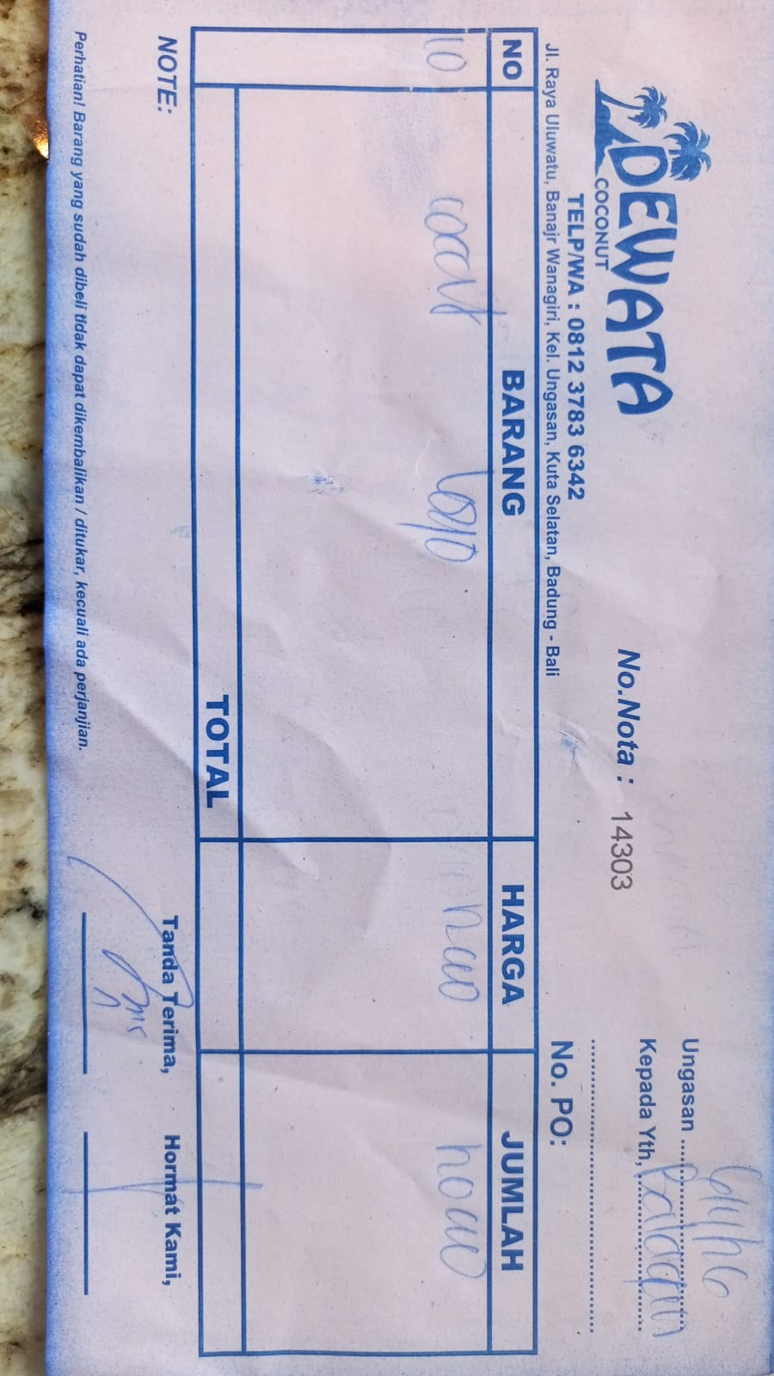
2026-04-07 | 14326 | COCONUT LOGO | 10 | IDR 12,000 | IDR 120,000 | 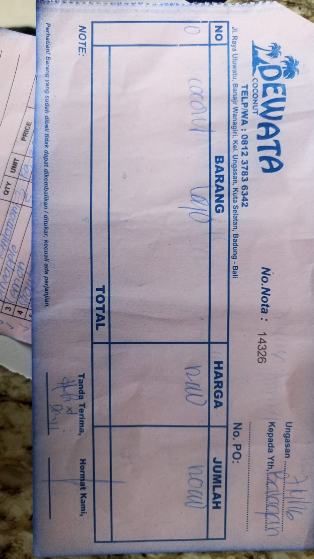
2026-04-08 | 13813 | COCONUT LOGO | 10 | IDR 11,000 | IDR 110,000 | 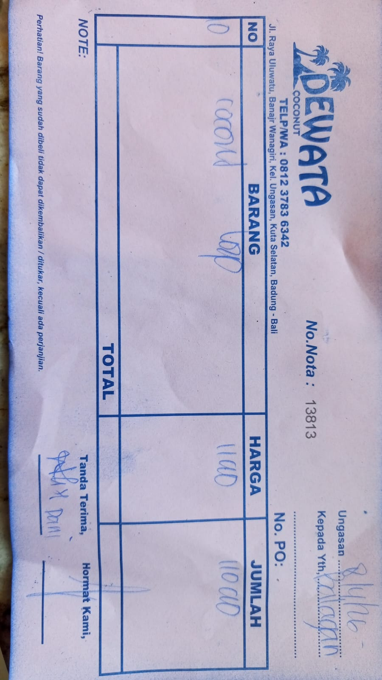
2026-04-09 | 14378 | COCONUT LOGO | 10 | IDR 12,000 | IDR 120,000 | 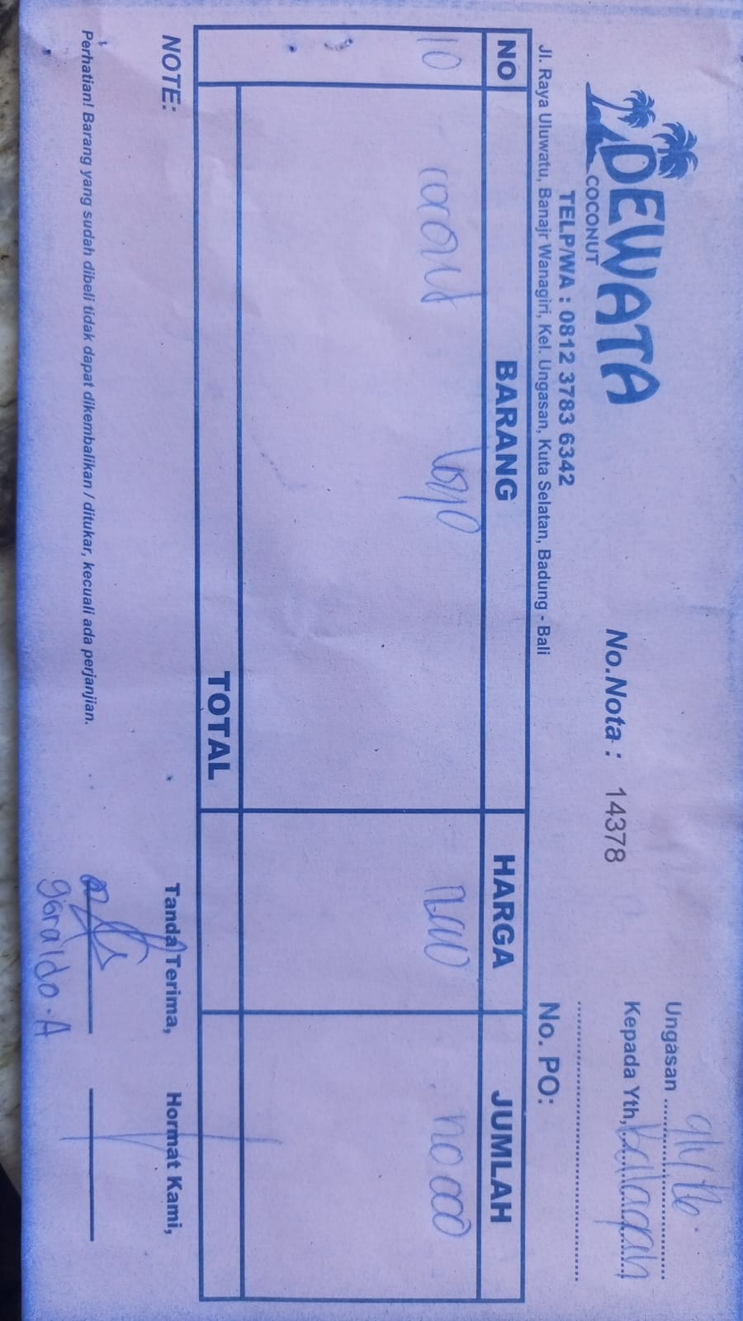
2026-04-10 | 14465 | COCONUT LOGO | 10 | IDR 12,000 | IDR 120,000 | 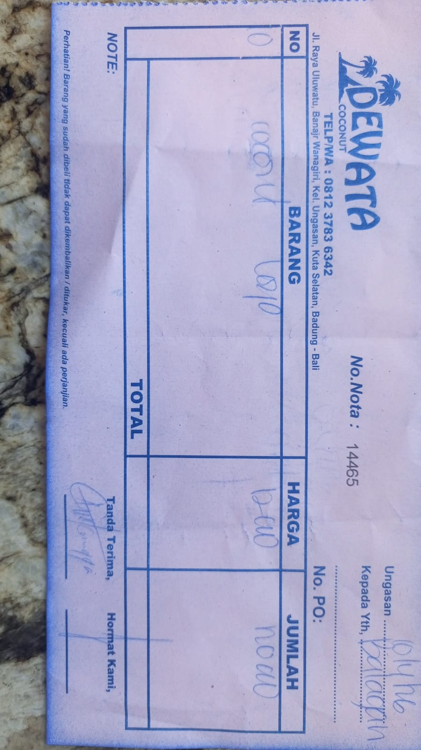
2026-04-15 | 14653 | COCONUT LOGO | 10 | IDR 12,000 | IDR 120,000 | 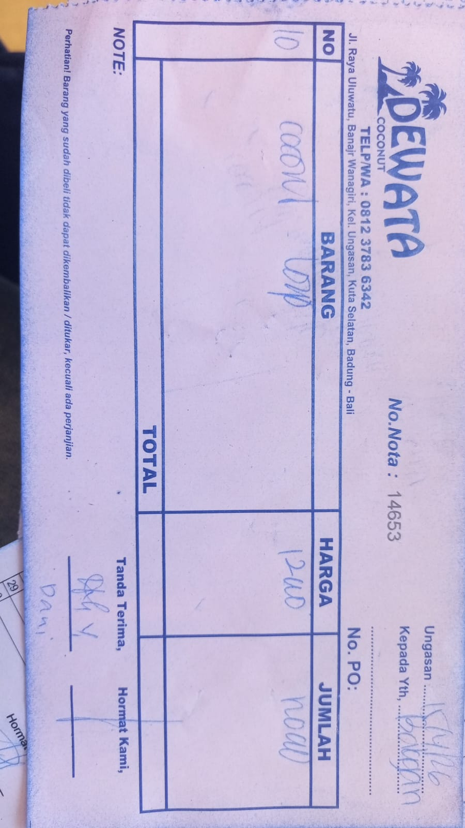
2026-04-16 | 14688 | COCONUT LOGO | 10 | IDR 12,000 | IDR 120,000 | 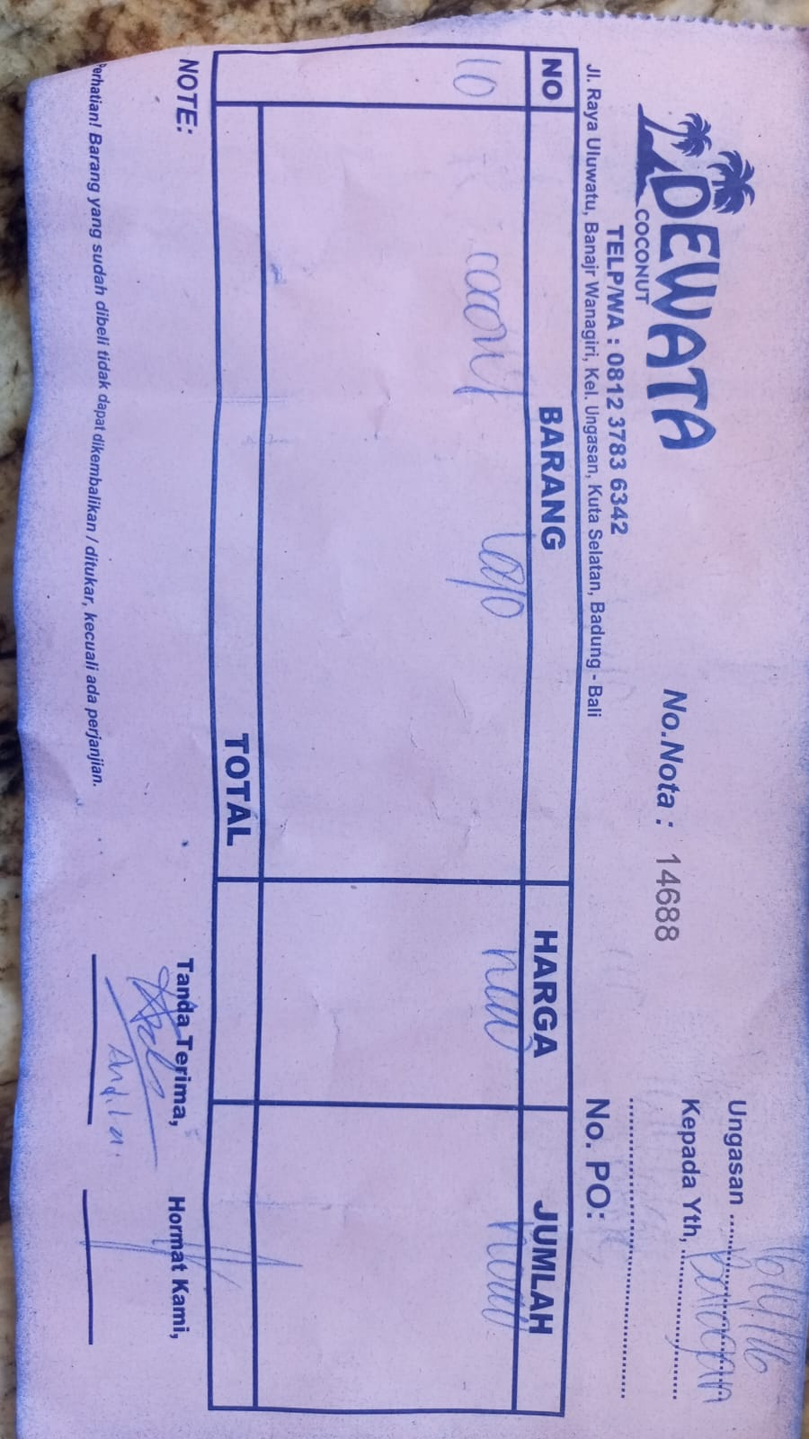

 |  |  |  | Rp1,070,000

DSP (Alcohol)
DATE | INV NO. | DESCRIPTIONS | QTY | PRICE | DISCOUNT | UNIT PRICE | SUBTOTAL | TOTAL | BILL | Rp2,128,500
6-Apr-2026 | SO/DSP/26/04/0423 | MCGUIGAN-BLACK LABEL SAUVIGNON BLANC | 3 | IDR 295,000 | Rp29,500 | Rp265,500 | Rp796,500 | Rp796,500 | 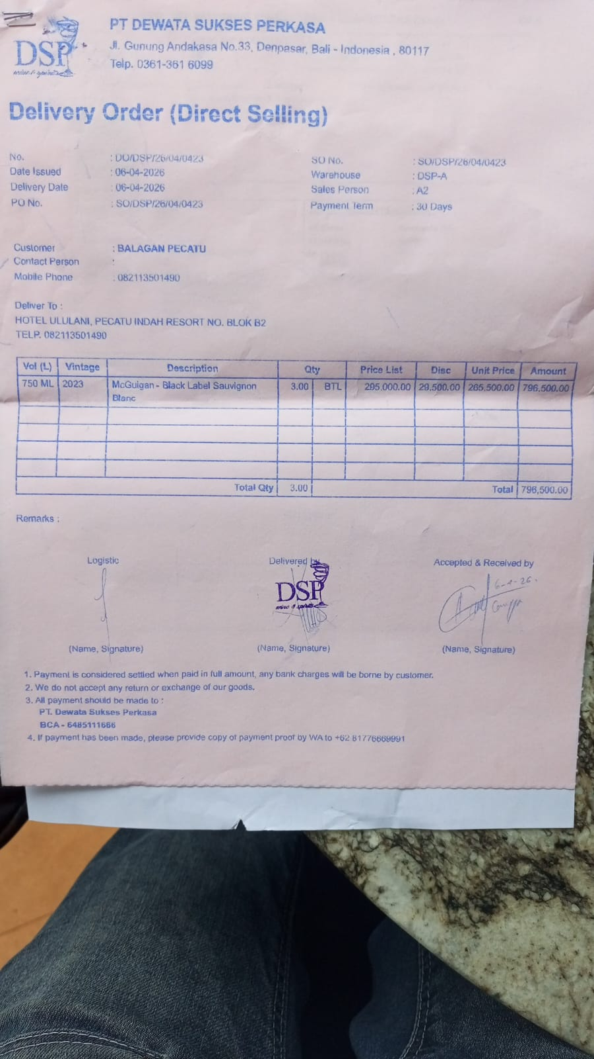
18-Apr-2026 | SO/DSP/26/04/1407 | DA VINCI LEONARDO PROSECCO DOC | 4 | IDR 370,000 | Rp37,000 | Rp333,000 | Rp1,332,000 | Rp1,332,000 | 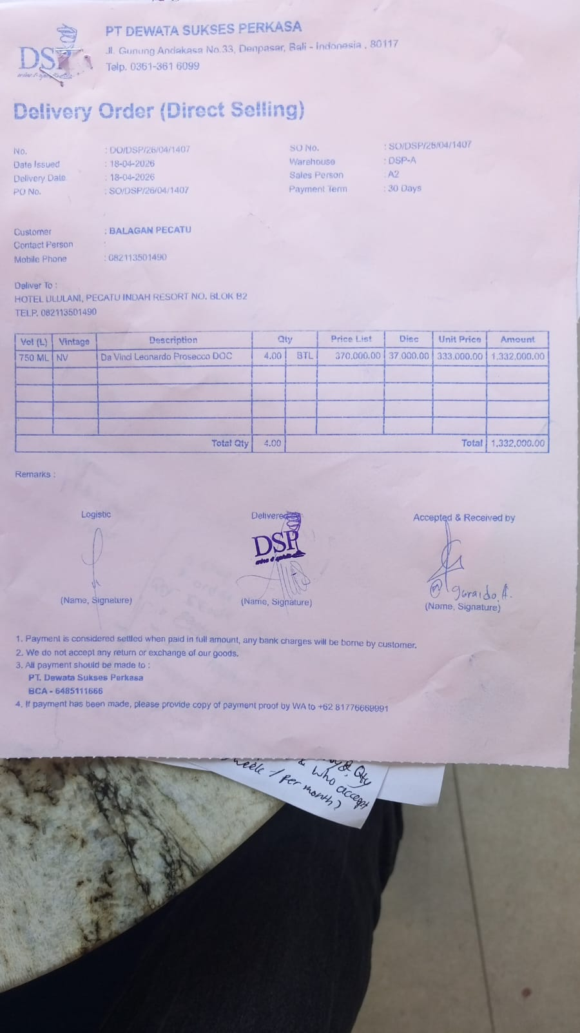
 |  |  |  |  | Rp- | Rp- | Rp-
 |  |  |  |  | Rp- | Rp- | Rp-
 |  |  |  |  | Rp- | Rp- | Rp-
 |  |  |  |  | Rp- | Rp- | Rp-
 |  |  |  |  | Rp- | Rp- | Rp-
 |  |  |  |  | Rp- | Rp- | Rp-
 |  |  |  |  | Rp- | Rp- | Rp-
 |  |  |  |  | Rp- | Rp- | Rp-
 |  |  |  |  | Rp- | Rp- | Rp-
 |  |  |  |  | Rp- | Rp- | Rp-
 |  |  |  |  | Rp- | Rp- | Rp-
 |  |  |  |  | Rp- | Rp- | Rp-
TOTAL |  |  |  |  | Rp2,128,500

SELERA OR STIR UP (Syrup)
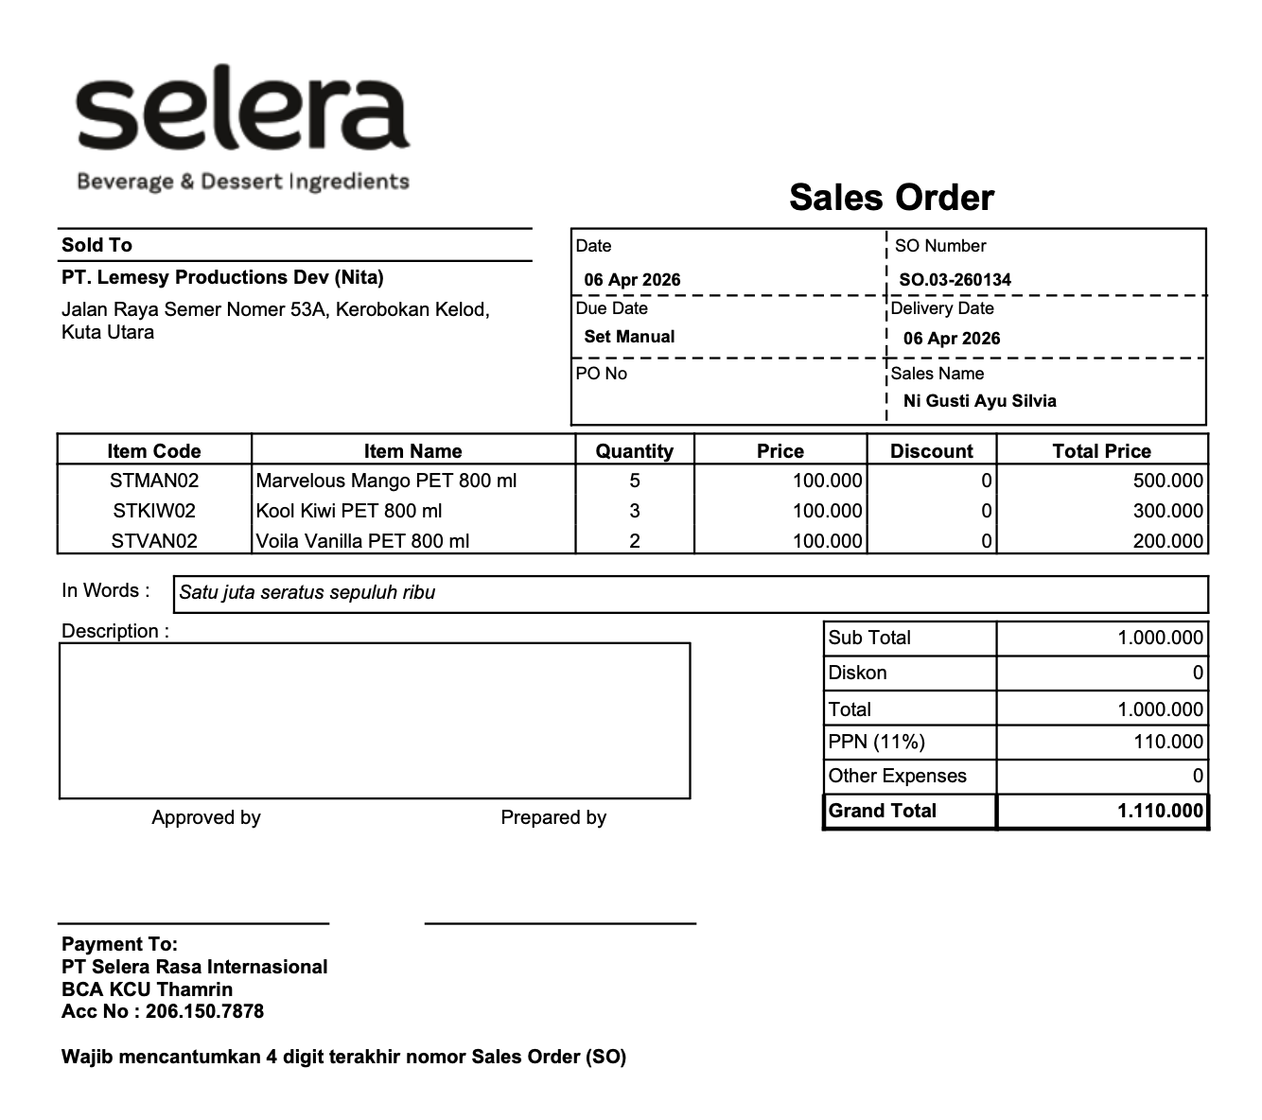
DATE | INV NO. | DESCRIPTIONS | QTY | PRICE | SUBTOTAL | TOTAL | BILLS | Rp1,110,000
6-Apr-2026 | SO.03-260134 | MARVELOUS MANGO PET 800 ML | 5 | IDR 100,000 | IDR 500,000 | IDR 1,000,000
 |  | KOOL KIWI PET 800 ML | 3 | IDR 100,000 | IDR 300,000
 |  | VOILA VANILLA PET 800 ML | 2 | IDR 100,000 | IDR 200,000
SUB TOTAL |  |  | 5 | PPN (11%) |  | IDR 110,000
TOTAL |  |  |  | Rp1,110,000.00
 |  |  |  |  | IDR - | IDR -
 |  |  |  |  | IDR -
 |  |  |  |  | IDR -
 |  |  |  |  | IDR -
 |  |  |  |  | IDR -
SUB TOTAL |  |  | 0 | PPN (11%) |  | IDR -
TOTAL |  |  |  | Rp0.00
 |  |  | GRAND TOTAL | Rp1,110,000

DW BALI (Alcohol)
DATE | INV NO. | DESCRIPTIONS | AMOUNT | PRICE | SUBTOTAL | TOTAL | DUE DATE | BILLS | Rp1,620,000
6-Apr-2026 | DW/75/069 | HAVANA CLUB 3 YO 700 ML | 2 | Rp360,000 | Rp720,000 | Rp1,620,000 | 20-Apr-2026 | 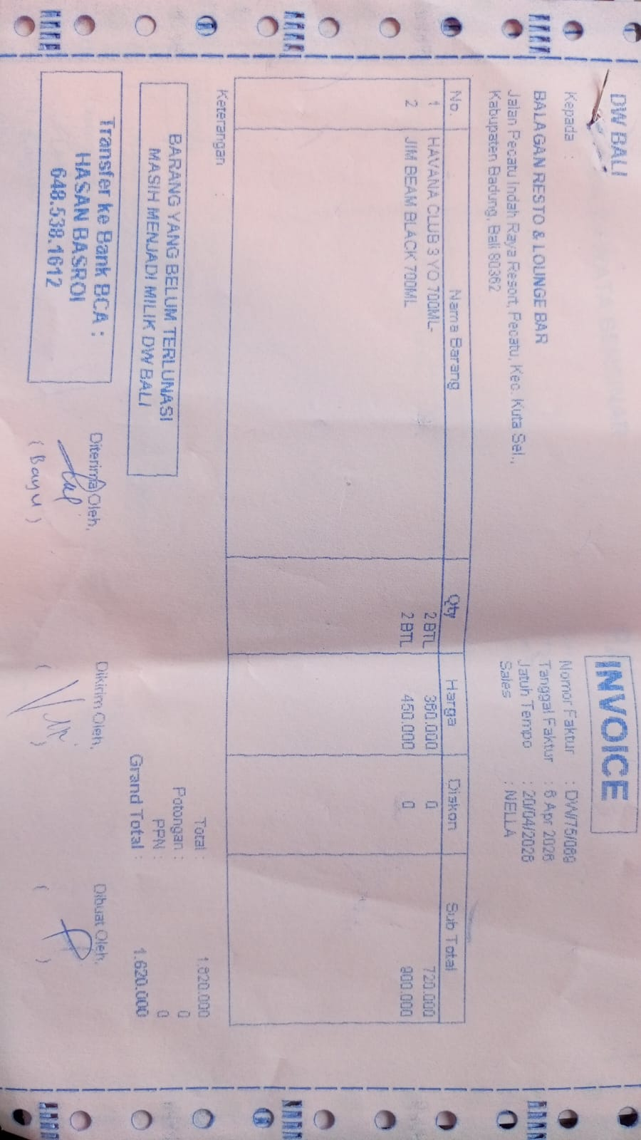
 |  | JIM BEAM BLACK 700 ML | 2 | Rp450,000 | Rp900,000
 |  |  |  |  | Rp-
 |  |  |  |  | Rp-
 |  |  |  |  | Rp-

GRAND TOTAL |  |  |  | Rp1,620,000

DDB (Alcohol)
DATE | INV NO. | DESCRIPTIONS | AMOUNT | PRICE | TOTAL | BILLS | IDR 1,312,503
6-Apr-2026 | 46464 | GORDON GIN PREMIUM DRY 750 ML | 3 | IDR 236,487 | IDR 709,461 | 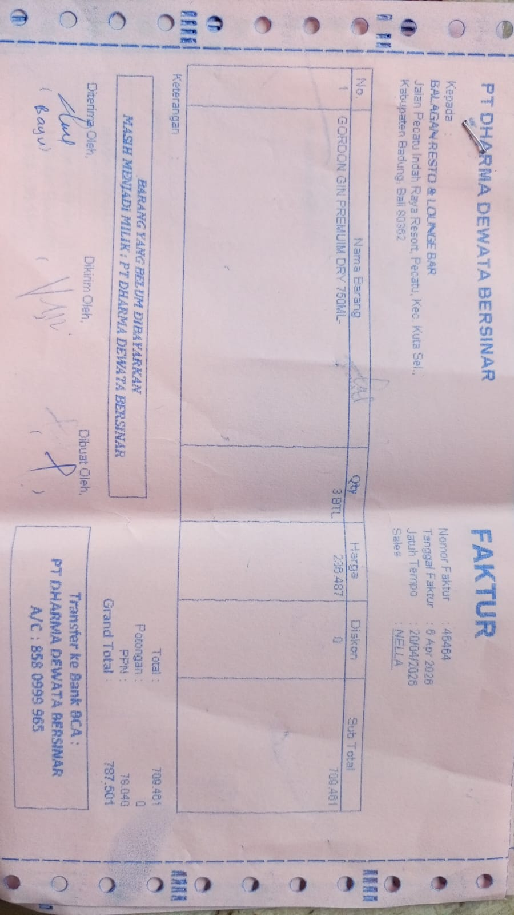
SUB TOTAL |  |  |  | PPN | IDR 78,041
TOTAL |  |  |  | Rp787,502
17-Apr-2026 | 47379 | CAPE DISCOVERY BRUT CUVEE 750 ML | 3 | IDR 157,658 | IDR 472,974 | 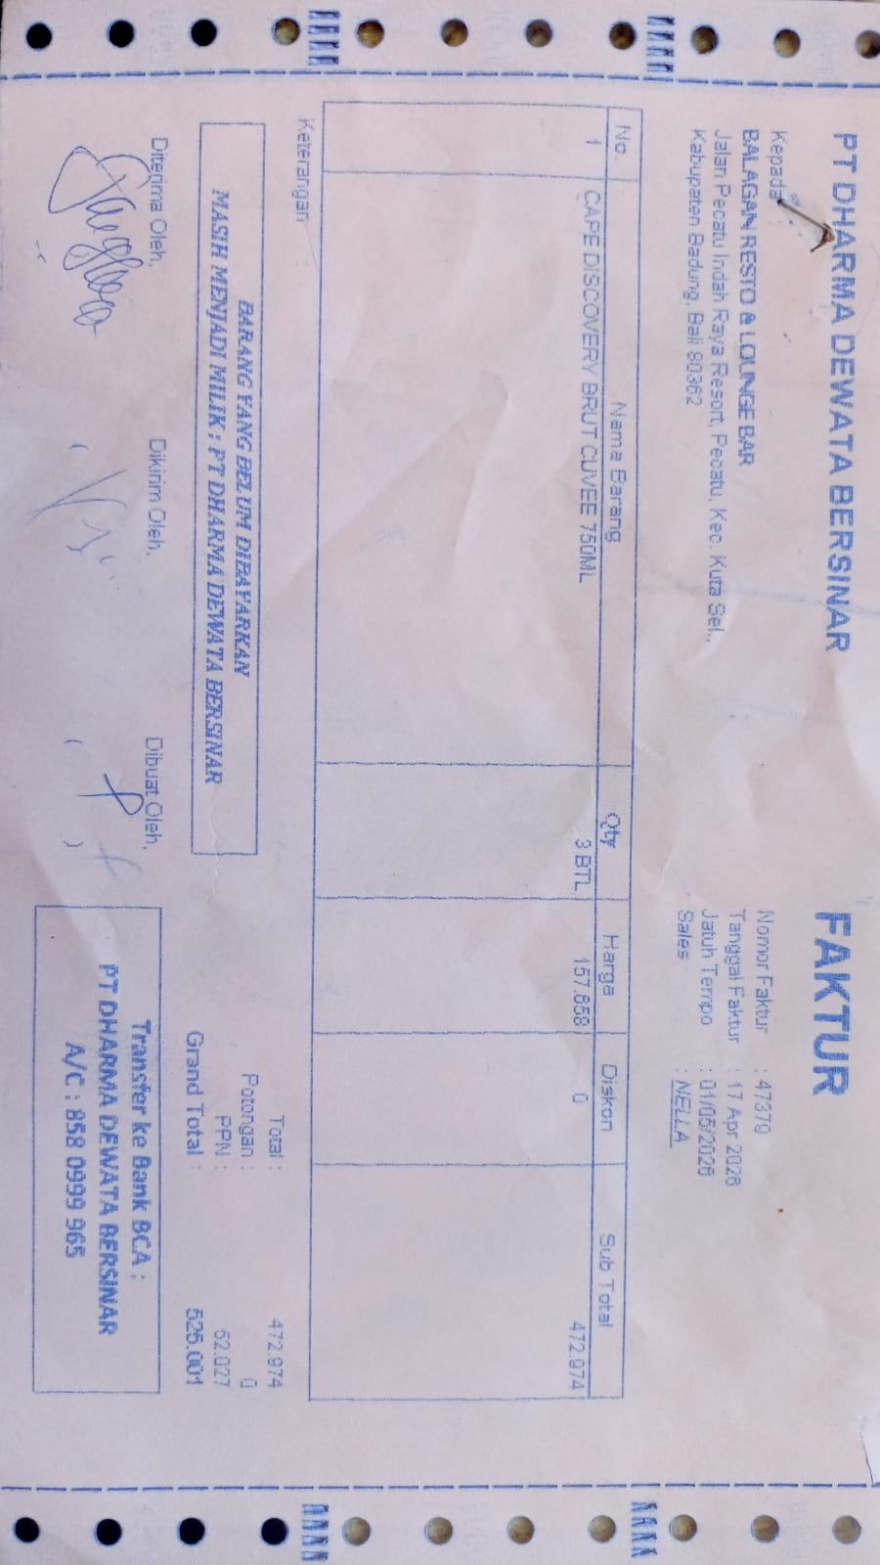
SUB TOTAL |  |  |  | PPN | Rp52,027
TOTAL |  |  |  | Rp525,001
 |  |  |  |  | IDR -
 |  |  |  |  | Rp-
TOTAL |  |  |  | Rp-
 |  |  |  |  | IDR -
 |  |  |  |  | Rp-
TOTAL |  |  |  | Rp-
 |  |  |  |  | IDR -
 |  |  |  |  | Rp-
TOTAL |  |  |  | Rp-

TOTAL |  |  |  | Rp-
GRAND TOTAL |  |  |  | IDR 1,312,503

NANO DEWATA CK (Alcohol)
DATE | INV NO. | DESCRIPTIONS | AMOUNT | PRICE | DISCOUNT | TOTAL | BILLS | IDR 599,999
17-Apr-2026 | INV/NANDAQ/26/04/0431 | SAN TELMO MALBEC | 3 | Rp202,702.50 | 22,522.50 | 540,540.01 | 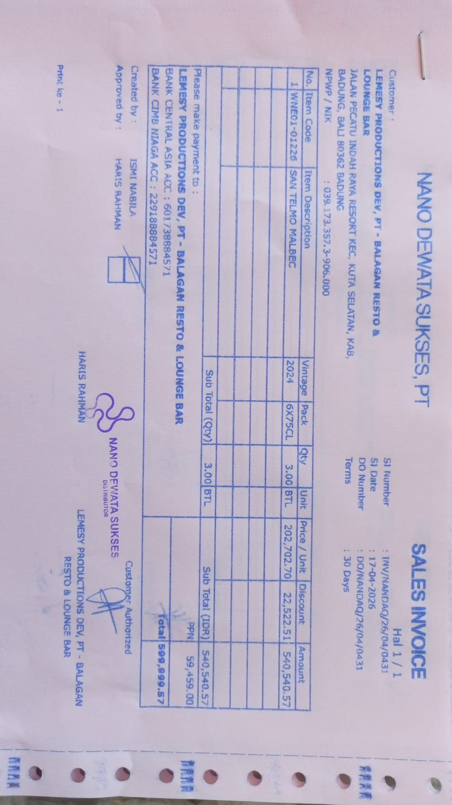
PPN |  |  |  |  |  | 59,459.40
TOTAL |  |  |  | IDR 599,999
 |  |  |  |  | 0.00 | 0.00
PPN |  |  |  |  |  | 0.00
TOTAL |  |  |  | Rp-
 |  |  |  |  | 0.00 | 0.00
PPN |  |  |  |  |  | 0.00
TOTAL |  |  |  | Rp-

GRAND TOTAL |  |  |  | IDR 599,999

BALI PERMATA JAYA (Corona Beer)
DATE | INV NO. | DESCRIPTIONS | QTY | PRICE | TOTAL | STATUS | BILLS | Rp1,190,000
2-Apr-2026 | INV/PERMAQ/26/04/0069 | CORONA BEER | 24 | Rp44,669.67 | Rp1,072,072.08 |  | 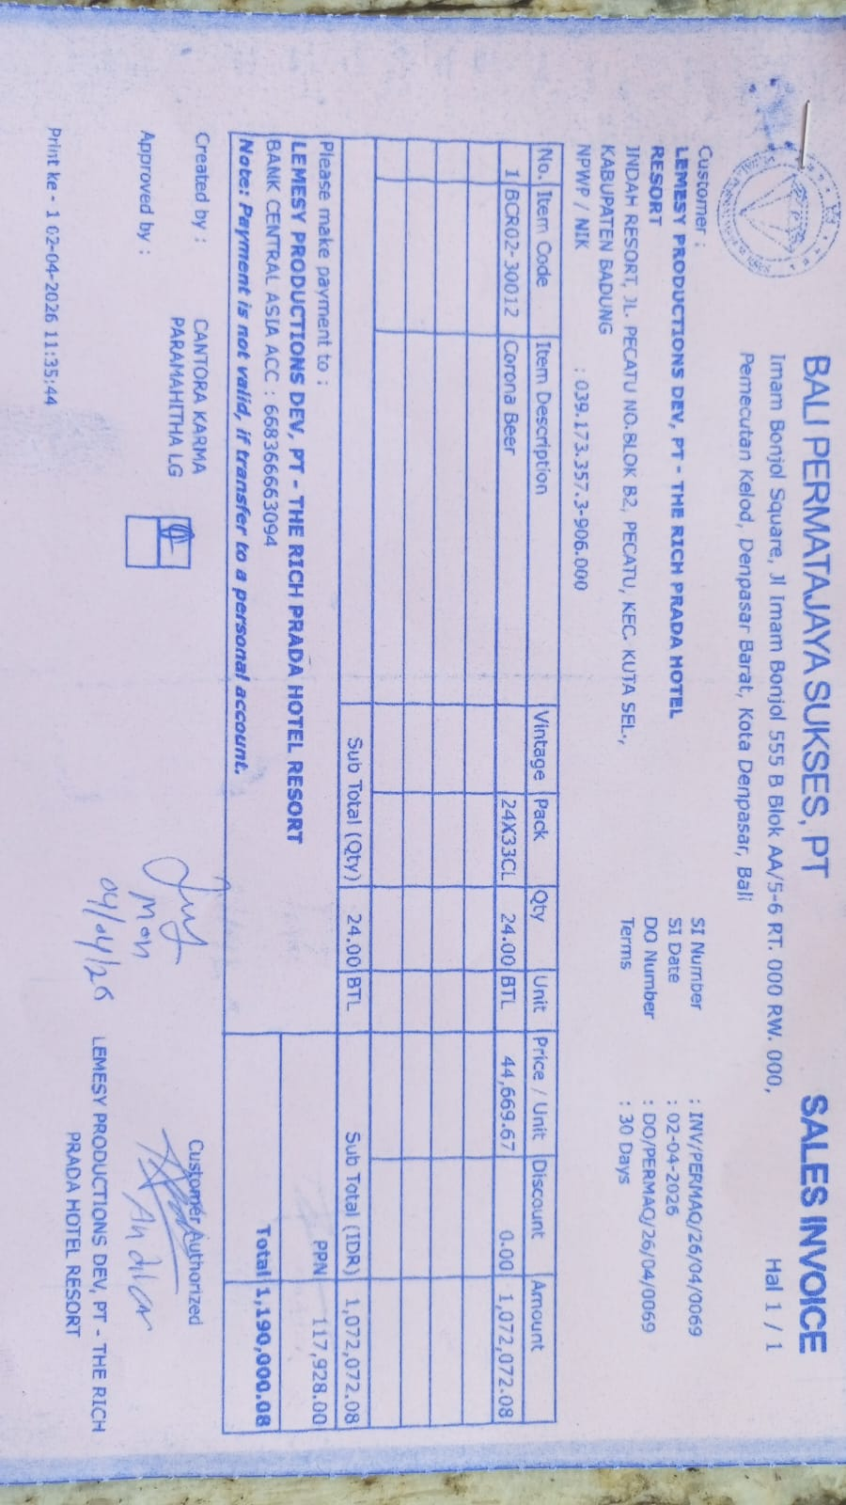
SUB TOTAL |  |  | 24 | PPN | Rp117,927.93
TOTAL |  |  |  | Rp1,190,000
 |  |  |  |  | Rp0.00
SUB TOTAL |  |  | 0 | PPN | Rp0.00
TOTAL |  |  |  | Rp-
 |  |  |  |  | Rp0.00
SUB TOTAL |  |  | 0 | PPN | Rp0.00
TOTAL |  |  |  | Rp-
 |  |  |  |  | Rp0.00
SUB TOTAL |  |  | 0 | PPN | Rp0.00
TOTAL |  |  |  | Rp-

SUB TOTAL |  |  | 0 | PPN | Rp0.00
TOTAL |  |  |  | Rp-
GRAND TOTAL |  |  |  | Rp1,190,000

CHAI CHITAI (Tea Leaf,etc)
DATE | INV NO. | DESCRIPTIONS | QTY | PRICE | SUBTOTAL | TOTAL | DISCOUNT | TAX | TOTAL | BILLS | IDR 2,240,000
13-Apr-2026 | #1 | CHAMOMILE | 4 | Rp110,000.00 | Rp440,000.00 | Rp3,200,000.00 | Rp960,000.00 | Rp0.00 | Rp2,240,000.00 | 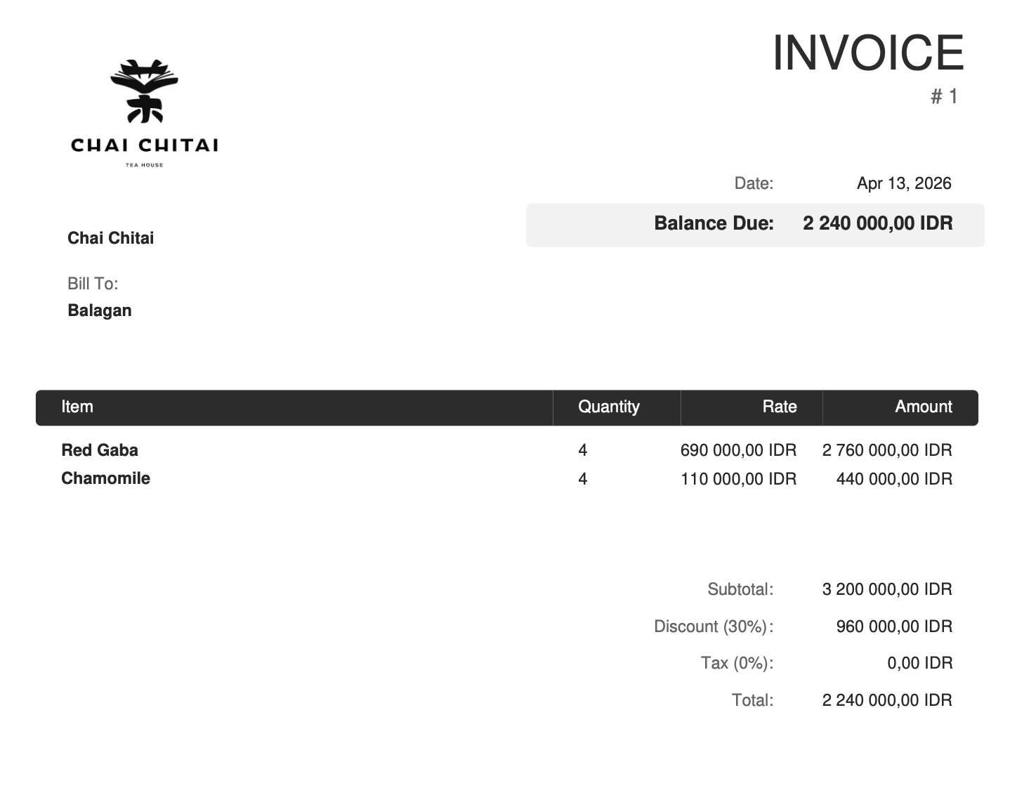
 |  | RED GABA | 4 | Rp690,000.00 | Rp2,760,000.00

 |  |  |  |  | Rp0.00 | Rp0.00 | Rp0.00 | Rp0.00 | Rp0.00

GRAND TOTAL |  |  |  | IDR 2,240,000

